Centeral Tendency - Example #1
Central Tendency Method |  |  | Maths Scores
 | Mean | St 1 | 45 | 5 | 37 | 8 | 64
 | Median | St 2 | 45 | 5 | 37 | 8 | 64
 | Mode | St 3 | 46 | 10 | 37 | 9 | 81
 | Standard Deviation | St 4 | 49 | 43 | 37 | 12 | 144
 |  | St 5 | 50 | 44 | 37 | 13 | 169
 |  | St 6 | 5 | 45 | 37 | -32 | 1024
 |  | St 7 | 45 | 45 | 37 | 8 | 64
 |  | St 8 | 45 | 45 | 37 | 8 | 64
 |  | St 9 | 10 | 45 | 37 | -27 | 729
 |  | St 10 | 5 | 46 | 37 | -32 | 1024
 |  | St 11 | 43 | 49 | 37 | 6 | 36
 |  | St 12 | 44 | 49 | 37 | 7 | 49
 |  | St 13 | 49 | 50 | 37 | 12 | 144
 |  |  |  |  |  |  | 3656 | 304.66666667
 |  | Sum | 481 |  |  |  |  | 17.454703282
 |  | Number of Students | 13
 |  | Mean Marks | 37.0
 |  | Median | 45
 |  | Mode | 45

Distribution
What is a Distrubution |  |  |  | Dice | Prob
Or Probability Distribution | It is a function which shows possible values for a variable and how often they occur |  |  | 1 | 0.16666666667
 |  |  |  | 2 | 0.16666666667
 |  |  |  | 3 | 0.16666666667
 |  |  |  | 4 | 0.16666666667
 |  |  |  | 5 | 0.16666666667
Types of Distribution | Discrete |  | When the values are in discrete form for eg 1,2,3,10,20 | 6 | 0.16666666667
 | Continuous |  | When the values are continuous for eg 1.111 , 1.1112 , 5.555,5.6, etc
Probability Of 1 Fair Die

 | Discrete | Continuous
 | Binomial | Normal
 | Poisson | Uniform
 | Hypergeometric | Exponential

What is Normal Distribution?
 | A normal distribution is where the values of a variable is normally distributed or distributed in a bell shaped

1
2 | Normal Distribution has mean = median = mode
3 | Normal Distribution will have 68.27% of observations or values within 1 Std Dev
4 | Normal Distribution will have 95.45% of observations or values within 2 Std Dev
5 | Normal Distribution will have 99.6% of observations or values within 3 Std Dev

Distribution Eg
Distribution
X | X square
2 | 4
3 | 9
4 | 16
5 | 25
6 | 36
7 | 49
8 | 64

Example - Normal Dist
 | in Kgs
Students | Weights | Mean | Std Dev | Normal Distn | Students | Weights | Normal Distn
1 | 87.8 | 70.521428571 | 11.731987206 | 0.011495611361 | 25 | 51.2 | 0.0087613958448
2 | 67.8 |  |  | 0.033101991459 | 26 | 51.4 | 0.0090095518899
3 | 66 |  |  | 0.031570833697 | 8 | 58 | 0.019239088751
4 | 76.6 |  |  | 0.029733482667 | 22 | 58 | 0.019239088751
5 | 61 |  |  | 0.024463148806 | 11 | 59 | 0.02099499399
6 | 88.2 |  |  | 0.010926271638 | 12 | 59 | 0.02099499399
7 | 60 |  |  | 0.022745302006 | 7 | 60 | 0.022745302006
8 | 58 |  |  | 0.019239088751 | 21 | 60 | 0.022745302006
9 | 72.8 |  |  | 0.033369330558 | 5 | 61 | 0.024463148806
10 | 73.2 |  |  | 0.033129832182 | 19 | 61 | 0.024463148806
11 | 59 |  |  | 0.02099499399 | 3 | 66 | 0.031570833697
12 | 59 |  |  | 0.02099499399 | 17 | 66 | 0.031570833697
13 | 80.8 |  |  | 0.023166536142 | 2 | 67.8 | 0.033101991459
14 | 84.8 |  |  | 0.016214016907 | 16 | 67.8 | 0.033101991459
15 | 87.8 |  |  | 0.011495611361 | 9 | 72.8 | 0.033369330558
16 | 67.8 |  |  | 0.033101991459 | 23 | 72.8 | 0.033369330558
17 | 66 |  |  | 0.031570833697 | 10 | 73.2 | 0.033129832182
18 | 76.6 |  |  | 0.029733482667 | 24 | 73.2 | 0.033129832182
19 | 61 |  |  | 0.024463148806 | 4 | 76.6 | 0.029733482667
20 | 88.2 |  |  | 0.010926271638 | 18 | 76.6 | 0.029733482667
21 | 60 |  |  | 0.022745302006 | 13 | 80.8 | 0.023166536142
22 | 58 |  |  | 0.019239088751 | 27 | 80.8 | 0.023166536142
23 | 72.8 |  |  | 0.033369330558 | 14 | 84.8 | 0.016214016907
24 | 73.2 |  |  | 0.033129832182 | 28 | 84.8 | 0.016214016907
25 | 51.2 |  |  | 0.0087613958448 | 1 | 87.8 | 0.011495611361
26 | 51.4 |  |  | 0.0090095518899 | 15 | 87.8 | 0.011495611361
27 | 80.8 |  |  | 0.023166536142 | 6 | 88.2 | 0.010926271638
28 | 84.8 |  |  | 0.016214016907 | 20 | 88.2 | 0.010926271638
 |  | 1 SD = 68% | 2 SD = 95% | 3 SD = 99%
 |  | 58.789441365 | 47.057454159 | 35.325466952
 |  | 82.253415778 | 93.985402984 | 105.71739019

 |  | 68% | 100%

Example 1
Central Tendency Method |  |  | Maths Scores
 | Mean | St 1 | 45 | 5 | 37 | 8 | 64
 | Median | St 2 | 45 | 5 | 37 | 8 | 64
Bar Graph - Scores
 | Mode | St 3 | 46 | 10 | 37 | 9 | 81
 | Standard Deviation | St 4 | 49 | 43 | 37 | 12 | 144
 |  | St 5 | 50 | 44 | 37 | 13 | 169
 |  | St 6 | 5 | 45 | 37 | -32 | 1024
 |  | St 7 | 45 | 45 | 37 | 8 | 64
 |  | St 8 | 45 | 45 | 37 | 8 | 64
 |  | St 9 | 10 | 45 | 37 | -27 | 729
 |  | St 10 | 5 | 46 | 37 | -32 | 1024
 |  | St 11 | 43 | 49 | 37 | 6 | 36
 |  | St 12 | 44 | 49 | 37 | 7 | 49
 |  | St 13 | 49 | 50 | 37 | 12 | 144
 |  |  |  |  |  |  | 3656 | 304.66666667
 |  | Sum | 481 |  |  |  |  | 17.454703282
 |  | Number of Students | 13
 |  | Mean Marks | 37.0
 |  | Median | 45
 |  | Mode | 45

MATRIX
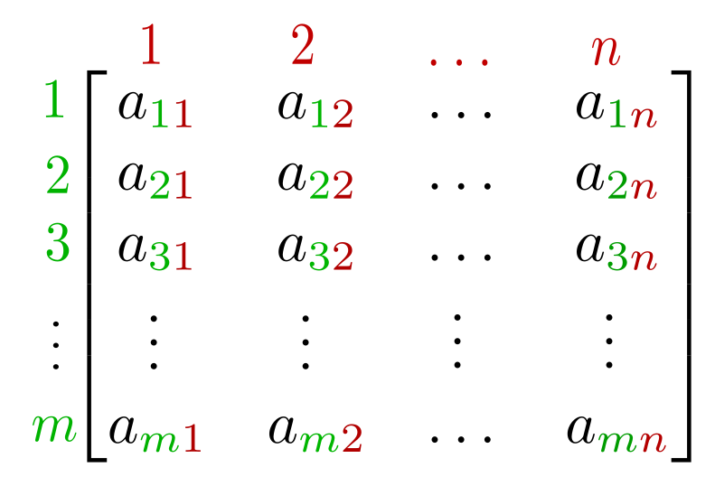
 | MATRIX
 | J & I - INDIVIDUAL
 | M & N - TOTAL DIMENSION

 | J/M = ROW |  |  |  |  |  |  | Topics Covered
 | I/N = COLUMN |  |  |  |  |  | 1 | What is a Matrix
 |  |  |  |  |  |  | 2 | The dimensions of a matrix
1 | J x I WILL ALWAYS BE "LESS THAN EQUAL" TO M x N |  |  |  |  |  | 3 | The common variables
2 | a (number) can be negative but j,I,m,n (dimensions) can only be positive |  |  |  |  |  | 4 | General Representation (equation)
 |  |  |  |  |  |  | 5 | Identity Matrix
 |  |  |  |  |  |  | 6 | Operations On a matrix (+,-,*,etc.)
 | General Representation (with equation for "a") | 1 | Make an equation & fill the matrix according to that
 |  | 2 | EG. aij = 2i-j

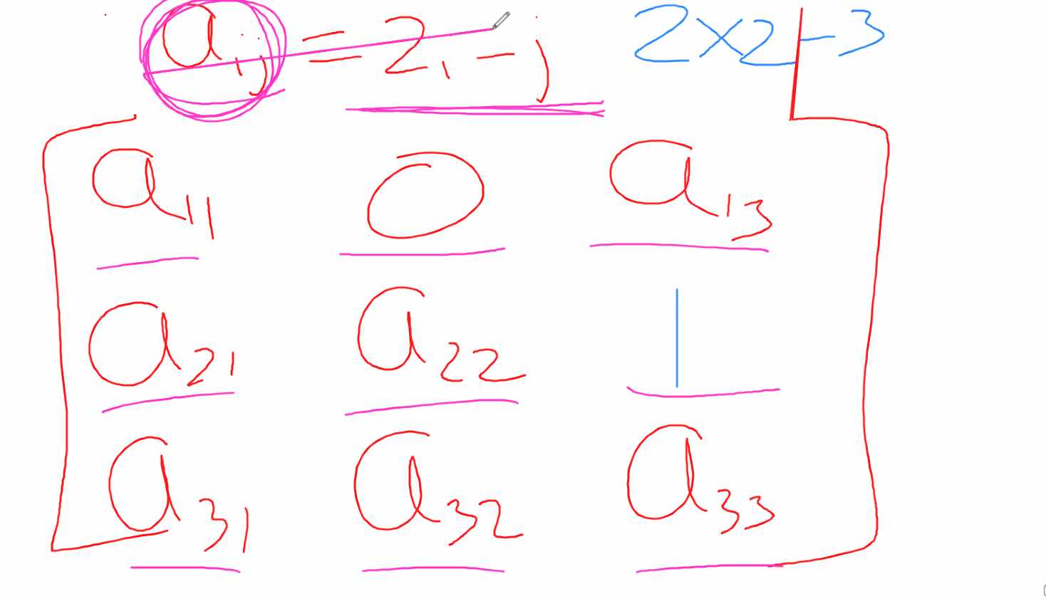

 |  |  |  |  | ADD/SUBTRACT/MULTIPLY (SCALER & USUAL)
 |  |  |  |  | NO DIVISION

Type of Matrix | Identity Matrix
1 | Only possible in square matrix (m = n) |  |  | ADDITION
2 | Where, I=J… A will be 1 (has to be diagnol) |  |  | 1 | DIENSION HAS TO BE SAME
 |  |  |  | 2 | ADD AIJ TO THE OTHER MATRIX'S AIJ | ADD THE SAME CO-ORDINATES
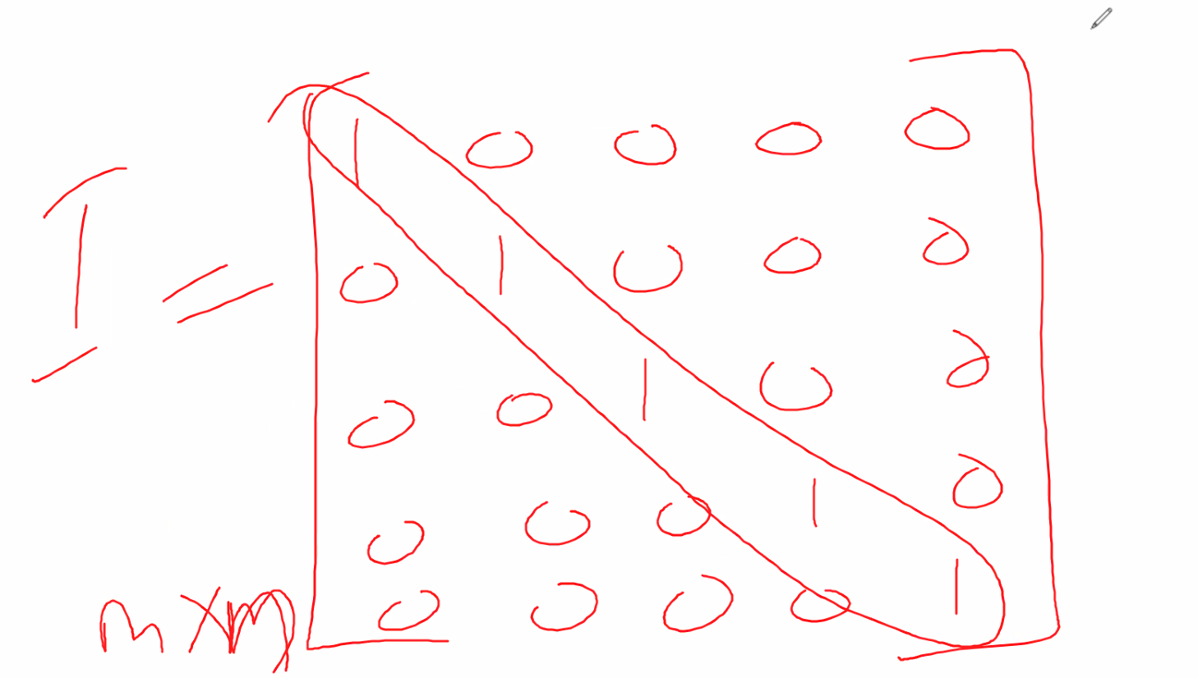
4 |  |  |  | 3 | IF THERE IS 1 NUMBER TO ADD TO A WHOLE MATRIX, U ADD THAT NUMBER TO EVERY VALUE IN THE MATRIX
5
6
 |  |  |  | SUBTRACTION
 |  |  |  | SAME AS ADITION

 |  |  |  | MULTIPLICATION - SCALER (MATRIX*N [NUMBER])
 |  |  |  | 1 | SAME AS ADITION
 |  |  |  | 2 | NEEDS TO BE DENOTED BY DOT ( )

